Sheet1
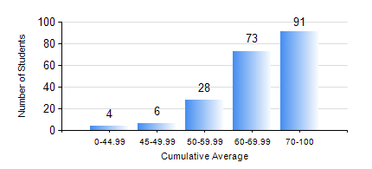
 |  |  | KWAME NKRUMAH UNIVERSITY OF SCIENCE AND TECHNOLOGY, KUMASI Department of Mechanical Engineering

 |  |  | BSC. MECHANICAL ENG.

 |  |  | COMPREHENSIVE RECORD OF EXAMINATION RESULTS

 |  |  | RESULTS OF YEAR 1 SECOND SEMESTER, 2021/2022 ACADEMIC YEAR

 | Sn | Course Code |  | Course Name | Credit Hours | Min. Mark | Max. Mark | Avg. Mark | Std. Dev. | No. Passed | No. Trailed | No. (Df) | No. (I) | No. (I*) | No. Tagged(I,I*,Df) | Total
 | 0. |  |  |  |  |  |  | 0 | 0 | 0 | 0 | 0 | 0 | 0 | 0 | 3
 | 1. | EE 152 |  | BASIC ELECTRONICS | 2 | 12 | 98 | 79 | 13.48 | 197 | 2 | 0 | 0 | 0 | 0 | 199
 | 2. | ENGL 158 |  | COMMUNICATION SKILLS II | 2 | 32 | 84 | 66 | 9.74 | 198 | 1 | 0 | 0 | 0 | 0 | 199
 | 3. | MATH 152 |  | CALCULUS WITH ANALYSIS | 4 | 15 | 95 | 72 | 11.79 | 198 | 1 | 0 | 0 | 0 | 0 | 199
 | 4. | ME 160 |  | ENGINEERING DRAWING | 3 | 10 | 86 | 66 | 12.08 | 194 | 5 | 0 | 0 | 0 | 0 | 199
 | 5. | ME 164 |  | STATICS OF SOLID MECHANICS | 2 | 0 | 97 | 56 | 19.56 | 187 | 12 | 0 | 0 | 0 | 0 | 199
 | 6. | ME 168 |  | COMPUTER PROGRAMMING FOR ENGINEERS | 2 | 13 | 93 | 69 | 12.36 | 197 | 2 | 0 | 0 | 0 | 0 | 199
 | 7. | ME 174 |  | FIRST YEAR DESIGN PROJECT | 2 | 0 | 82 | 66 | 10.16 | 197 | 2 | 0 | 0 | 0 | 0 | 199

